0622
LADIES PADDED JACKET LONG STYLE |  |  |  |  |  |  | STYLE NO.：0622#
QTY： 8582PCS/ 2COLORS
SHELL & LINING: 100% POLYESTER
QTY PER COLOR | M | L | XL | XXL | XXXL | TOTAL | 尾数35+180件
BLACK | 339 | 1055 | 1343 | 1501 | 682 | 4920
BROWN | 400 | 1068 | 1040 | 609 | 330 | 3447
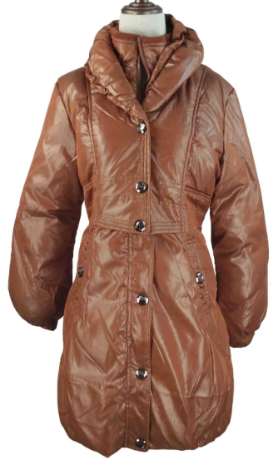 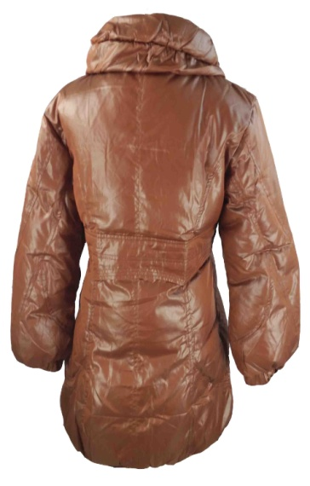 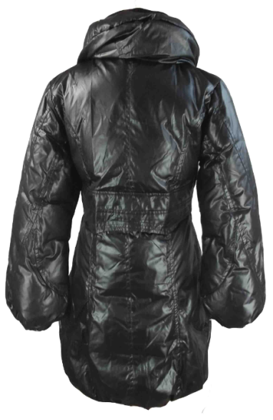 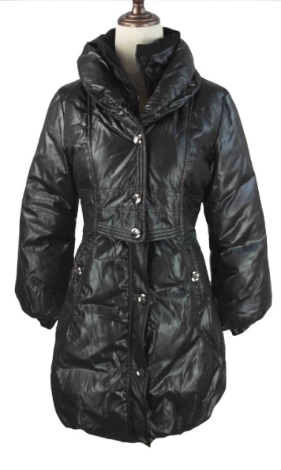

SIZE SPEC
Unit:CM | M | L | XL | XXL | XXXL
body length 衣长 | 86 | 88 | 90 | 92 | 94
chest 胸围 | 48 | 50 | 52 | 54 | 56
sleeve length 袖长 | 60 | 61 | 62 | 63 | 64
sleeve opening 袖口 | 8.5 | 8.5 | 9 | 9 | 9.5
shoulder 肩宽 | 42 | 43 | 44 | 45 | 46
armhole 袖笼 | 23 | 24 | 25 | 26 | 27

